1
test id | priority | test scenario | test cases | test steps | expected result | actual result | pass/fail | screenshot | comment/sugestion

tc001 | high | verify the url | verify for valid url https://www.burstoralcare.com | 1)open chrome browser 2)enter valid url | it should redirect to burst oral care home page | it is redirected to burst oral care home page | pass
 |  |  | verify for valid url https://www.burstoralcare.com | 1)open chrome browser 2)enter invalid url | it should redirect to burst oral care home page | it is not redirected to burst oral care home page | fail
tc002 | high | verify the cart module logo | click on cart option | 1)open chrome browser 2)enter valid url 3)click on cart option | cart module should be clickable | cart module is clickable | pass
 | high |  | verify bag logo on cart module on rightside of amazon home page | 1)open chrome browser 2)enter valid url | bag logo should be visible on cart module | bag logo is visible on cart module | pass
 | medium |  | verify the number of product in cart is shown in bag logo | 1)open chrome browser 2)enter valid url | no.of product should be shown on bag logo of cart | no.of product is visible on bag logo of cart | pass
tc003 | high | verifying the navigation after clicking on cart button | after clicking on cart option it will redirect to the cart page where all product is listed | 1)enter the cart option | should be redirecting to cart page | it is redirecting to cart page | pass
 |  |  | after clicking on cart option it will redirect to the cart page where all product is listed | 1)enter the cart option | should be redirecting to cart page | it is not redirecting to cart page | fail
tc004 | medium | verifying number of product un- listed in cart | • Check whether the quantity of the product increases when Adding one item to the cart | 1)enter the cart option | quantity of product should be increased in cart | quantity of product is increased in cart | pass
 | high |  | check the newly added product price is added in total price in cart | 1)add the product to cart 2)check the cart | correct total price should be visible | correct total price is visible | pass | 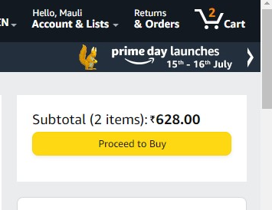
 | high |  | check whether quantity is getting decresed after removing some product from cart |  | quantity of product should be decresed in cart | quantity of product is decresed in cart | pass | 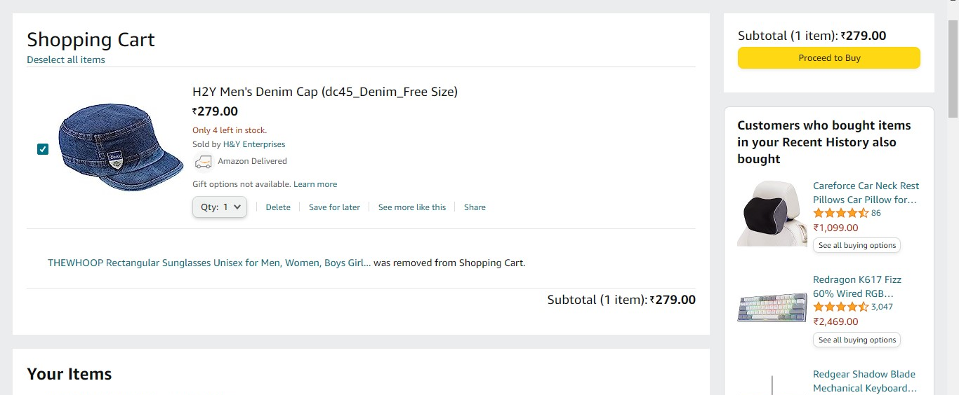
 | high |  | check the deleted product price is subtracted from the total price of product in cart |  | total correct price should be visible | total correct price is visible | pass
tc005 | medium | verify whether the products in the shopping cart remain the same even when the user closes the browser or log out and reopens it. | verify the same product is available in cart after reopening it | 1)open chrome browser 2)enter valid url 3)click on cart option | same product should be available after reopening the cart | same product is available after reopening the cart | pass

